Furla handbags 2020 collection
 |  | Furla | Handbagds Currently Season 2020
photo | model |  | collection | color | art code | q.ty | retail price | tot retail
 | BIA5PS2 |  | VALENTINA M SATCHEL | ONYX/CONCHIGLIA | BVALBIA5PS200ZOXG | 1 | € 550.00 | € 550.00
 | BFV5LND |  | ARTESIA M TOP HANDLE 839527 | LAMPONE | BLG4BFV5LND00ZLMP | 1 | € 580.00 | € 580.00
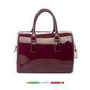 | B367PL0 |  | CANDY M SATCHEL | AUBERGINE | 776683 | 10 | € 215.00 | € 2,150.00
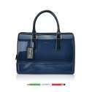 | B367PL0 |  | CANDY M SATCHEL | INDACO | 772162 | 1 | € 215.00 | € 215.00
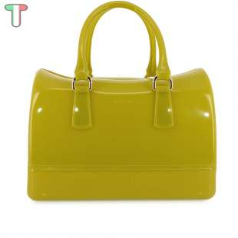 | B367PL0 |  | CANDY M SATCHEL - FURLA | NETTARE | 750483 | 2 | € 215.00 | € 430.00
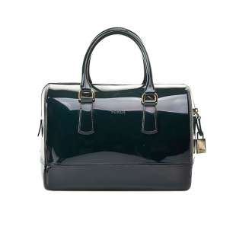 | B367PL0 |  | CANDY M SATCHEL - FURLA | PETROLIO | 777400 | 4 | € 215.00 | € 860.00
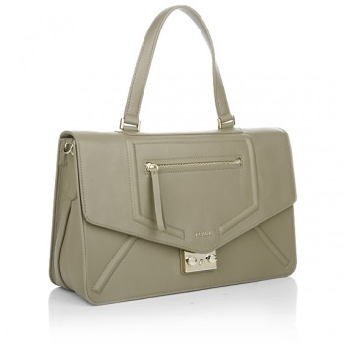 | BDO9PST | sample model | ALICE M SHOULDER BAG - FURLA | EMERALD | 768171 | 1 | € 530.00 | € 530.00
 | BDO9PST |  | ALICE M SHOULDER BAG - FURLA | SUNNY | 768173 | 2 | € 530.00 | € 1,060.00
 | BDW2BFM |  | OPERA S CLUTCH RIGIDA - FURLA | RUBY | 791594 | 1 | € 270.00 | € 270.00
 | BEI1PLF |  | CANDY BON BON MINI CROSS - FURLA | JADE | 803461 | 3 | € 215.00 | € 645.00
 | BES3VMT |  | PERLA MINI CROSSBODY TOTE - FURLA | PINKY | 775079 | 1 | € 215.00 | € 215.00
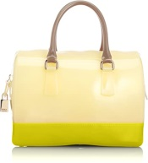 | BEU4GAR | sample model | CANDY M SATCHEL - FURLA | INDACO+ONYX | 772129 | 3 | € 295.00 | € 885.00
 | BFF0GMO |  | CANDY SWEETIE MINI SATCHEL - FURLA | WINTER ROSE | 780546 | 6 | € 325.00 | € 1,950.00
 | BFF1GGB |  | CANDY M SATCHEL - FURLA | AUBERGINE | 780457 | 4 | € 345.00 | € 1,380.00
 | BFG4PTL |  | CHERIE S ENVELOPE POCHETTE - FURLA | MOONSTONE | 790484 | 3 | € 280.00 | € 840.00
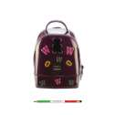 | BFH5GGB |  | CANDY MINI BACKPACK - FURLA | AUBERGINE | 780554 | 1 | € 345.00 | € 345.00
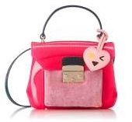 | BFH8GMO |  | CANDY BON BON MINI CROSS - FURLA | GLOSS+WINTER RO | 780520 | 1 | € 270.00 | € 270.00
 | BFI9PST |  | DIANA M CROSSBODY - FURLA | CHALK/CONCHIGLI | B020BFI9PST00ZCKC | 2 | € 585.00 | € 1,170.00
 | BKW6SFK |  | GIOIA M CROSSBODY 886699 - FURLA | PETALO | BQX0BKW6SFK00ZPET | 1 | € 410.00 | € 410.00
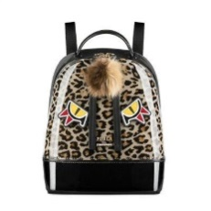 | BLB8GLE |  | CANDY JUNGLE S BACK PACK 887255 | TONI GLACE | BCJNBLB8GLE00ZT0G | 1 | € 350.00 | € 350.00
 | BLB8GZL |  | CANDY JUNGLE S BACK PACK 887913 | TONI NERO | BCJNBLB8GZL00ZTON | 2 | € 350.00 | € 700.00
 | BLJ5STT |  | CAOS S DRAWSTRING 902931 - FURLA | AVIO SCURO c | BCAOBLJ5STT00ZA4R | 1 | € 465.00 | € 465.00
 | BLN6CAK |  | CLUB S CROSSBODY 903121 - FURLA | ARGILLA c+SABBI | BCLUBLN6CAK00Z4SB | 1 | € 465.00 | € 465.00
 | BLS4STT |  | CAOS M DRAWSTRING 902961 - FURLA | AVIO SCURO c | BCAOBLS4STT00ZA4R | 1 | € 530.00 | € 530.00
 | BLV0PCP |  | SELFIE S SHOULDER BAG 904284 - FURLA | ONYX+ARGILLA c+ | BSLFBLV0PCP00ZOSR | 1 | € 550.00 | € 550.00
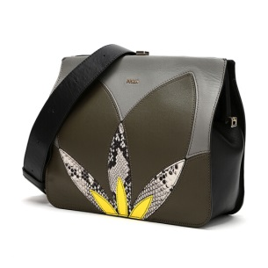 | BLV1PCP |  | SELFIE MINI SHOULDER 904287 - FURLA | ONYX+ARGILLA c+ | BSLFBLV1PCP00ZOSR | 1 | € 505.00 | € 505.00
 | BKP3FSR |  | MILANO L TOTE 886294 - FURLA | KAKI | BPEGBKP3FSR00ZKAY | 1 | € 495.00 | € 495.00
 | BKW7SFK |  | GIOIA S CROSSBODY 886657 - FURLA | GLACE | BQX0BKW7SFK00ZMNK | 2 | € 345.00 | € 690.00
 | BKX1PNK |  | ADELE L TOTE 886770 - FURLA | KAKI/SALVIA | BADEBKX1PNK00ZKSC | 1 | € 465.00 | € 465.00
 | BLB5ODC |  | DORI S TOTE 889315 - FURLA | KAKI/ONYX/PETAL | BDRIBLB5ODC00ZKOP | 1 | € 375.00 | € 375.00
 | BLB5VOD |  | DORI S TOTE 889309 - FURLA | KAKI | BDRIBLB5VOD00ZKAY | 1 | € 345.00 | € 345.00
 | BLB6PNK |  | ADELE M TOTE 887220 - FURLA | KAKI/SALVIA | BADEBLB6PNK00ZKSC | 1 | € 410.00 | € 410.00
 | BLH6ECP |  | CAOS S DRAWSTRING 902916 - FURLA | ACERO | BCAOBLH6ECP00ZAF0 | 1 | € 345.00 | € 345.00
 | BLH6ECP |  | CAOS S DRAWSTRING 902920 - FURLA | MOONSTONE | BCAOBLH6ECP00Z6M0 | 2 | € 345.00 | € 690.00
 | BLJ5STT |  | CAOS S DRAWSTRING 902929 - FURLA | ACERO | BCAOBLJ5STT00ZAF0 | 1 | € 465.00 | € 465.00
 | BLK4PCP |  | HASHTAG M CROSSBODY 903383 - FURLA | ONYX/PETALO/ARG | BHASBLK4PCP00Z0PG | 1 | € 465.00 | € 465.00
 | BLL7FSC |  | LUCKY M SATCHEL 903713 - FURLA | ARGIL/ACER/ONYX | B910BLL7FSC00ZA4O | 1 | € 495.00 | € 495.00
 | BLL7VFO |  | LUCKY M SATCHEL 903723 - FURLA | ONYX | B910BLL7VFO00ZO60 | 1 | € 495.00 | € 495.00
 | BJC6VTH |  | CHIARA M TOP HANDLE 852650 - FURLA | ACERO | CHIARA M TOP HANDLE | 1 | € 465.00 | € 465.00
 | BJM4RAO |  | METROPOLIS FLORAL MINI CB 852551 - FURLA | ONYX | METROPOLIS FLORAL MI | 1 | € 465.00 | € 465.00
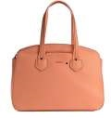 | BJY6VTO |  | GIADA M TOTE W/ZIP 870026 - FURLA | PESCA b | GIADA M TOTE W/ZIP 8 | 1 | € 345.00 | € 345.00
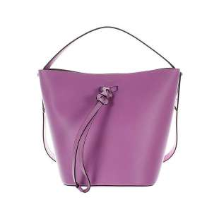 | BJZ4VFO |  | VITTORIA S DRAWSTRING 874433 - FURLA | LILLA b | VITTORIA S DRAWSTRIN | 1 | € 320.00 | € 320.00
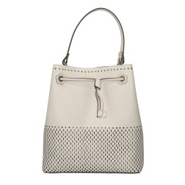 | BKE7FRT |  | STACY M DRAWSTRING 870612 - FURLA | PETALO | STACY M DRAWSTRING 8 | 1 | € 435.00 | € 435.00
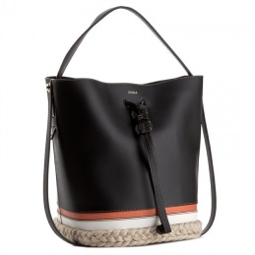 | BKG2FRR |  | VITTORIA S DRAWSTRING 869860 - FURLA | ONYX+TONI NATUR | VITTORIA S DRAWSTRIN | 1 | € 530.00 | € 530.00
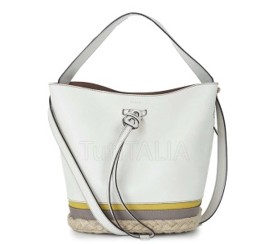 | BKG2FRR |  | VITTORIA S DRAWSTRING 869861 - FURLA | PETALO+TONI NAT | VITTORIA S DRAWSTRIN | 1 | € 530.00 | € 530.00
 | BKH9GBD | sample model | CANDY LILLA SWEETIE MINI 869506 - FURLA | ACERO+PETALO | CANDY LILLA SWEETIE | 1 | € 295.00 | € 295.00
 | BKH9GBD |  | CANDY LILLA SWEETIE MINI 869507 - FURLA | ROSE a+PETALO | CANDY LILLA SWEETIE | 1 | € 295.00 | € 295.00
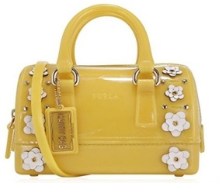 | BKH9GBD |  | CANDY LILLA SWEETIE MINI 869508 - FURLA | SENAPE b+PETALO | CANDY LILLA SWEETIE | 1 | € 295.00 | € 295.00
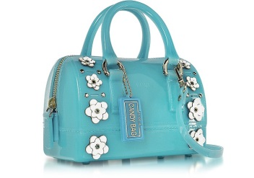 | BKH9GBD |  | CANDY LILLA SWEETIE MINI 869509 - FURLA | TURCHESE b+PETA | CANDY LILLA SWEETIE | 2 | € 295.00 | € 590.00
 | BKJ9PL0 |  | METROPOLIS OXYGEN MINI CB 870775 - FURLA | MANGO b | METROPOLIS OXYGEN MI | 1 | € 165.00 | € 165.00
 | BKJ9PL0 |  | METROPOLIS OXYGEN MINI CB 870777 - FURLA | PETALO | METROPOLIS OXYGEN MI | 1 | € 165.00 | € 165.00
 | BKJ9PL0 |  | METROPOLIS OXYGEN MINI CB 870778 - FURLA | PINKY | METROPOLIS OXYGEN MI | 1 | € 165.00 | € 165.00
 | BKK2JTE |  | METROPOLIS S SHOULDER BAG 870785 - FURLA | BLUE DENIM+AZZU | METROPOLIS S SHOULDE | 2 | € 375.00 | € 750.00
 | BGZ7VFO |  | METROPOLIS MINI CROSSBODY 899151 | ONYX | BEP0BGZ7VFO00ZO60 | 1 | € 290.00 | € 290.00
 | BLE8ARE |  | METROPOLIS S TOP HANDLE 978127 | ONICE e | BEP0BLE8ARE00ZKJN | 1 | € 375.00 | € 375.00
 | BMN1OAS |  | PIN S SATCHEL 967822 - FURLA | ORTENSIA d | BNIPBMN1OAS00ZUTW | 2 | € 330.00 | € 660.00
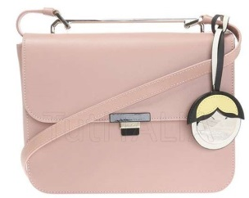 | BMN7FLE |  | ELISIR S CROSSBODY 941522 | MOONSTONE | BELIBMN7FLE00Z6M0 | 3 | € 400.00 | € 1,200.00
 | BMV2FLE |  | ELISIR MINI CROSSBODY 920938 | ONYX | BELIBMV2FLE00ZO60 | 1 | € 375.00 | € 375.00
 | BNF8ARE |  | METROPOLIS S CROSSBODY 962700 | CAMELIA e | BEP0BNF8ARE00ZLC4 | 1 | € 345.00 | € 345.00
 | BNF8ARE |  | METROPOLIS S CROSSBODY 967825 | FIORDALISO e | BEP0BNF8ARE00ZXEG | 1 | € 345.00 | € 345.00
 | BNZ5VHC |  | RIALTO L HOBO 977653 | CILIEGIA d | BRIABNZ5VHC00ZCGQ | 2 | € 425.00 | € 850.00
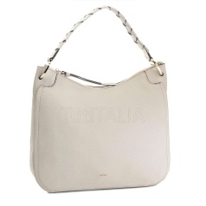 | BNZ5VHC |  | RIALTO L HOBO 977656 | PERLA e | BRIABNZ5VHC00ZGDJ | 2 | € 425.00 | € 850.00
 | BOM0VHC |  | DUCALE M TOP HANDLE 948076 | ONYX | BDUCBOM0VHC00ZO60 | 1 | € 530.00 | € 530.00
 | BOM1VHC |  | DUCALE S TOP HANDLE 948089 | SABBIA b | BDUCBOM1VHC00ZSBB | 1 | € 465.00 | € 465.00
 | BOP0VWO |  | GEMMA S SHOULDER BAG 965588 - FURLA | SABBIA b | B3E0BOP0VWO00ZSBB | 2 | € 390.00 | € 780.00
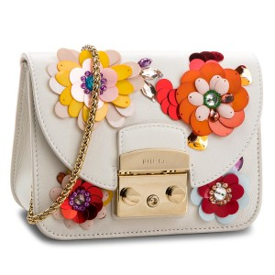 | BOQ4N44 |  | METROPOLIS CLIVIA MINI CROSSBO 962828 | PETALO | BMCVBOQ4N4400ZPET | 2 | € 465.00 | € 930.00
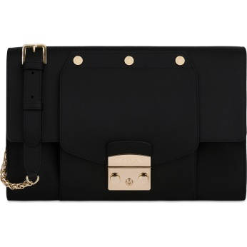 | BOT0VFO |  | METROPOLIS MAGIA M POCHETTE 962949 | NERO | BMMGBOT0VFO00ZO60 | 2 | € 410.00 | € 820.00
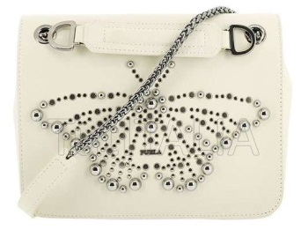 | BOT3J69 |  | FURLA DELIZIOSA S SHOULDER BAG 962223 | PETALO | B3E0BOT3J6900ZPET | 1 | € 480.00 | € 480.00
 | BOW7K59 |  | STACY MINI DRAWSTRING 977676 | CIPRESSO e | BSTYBOW7K5900Z235 | 1 | € 270.00 | € 270.00
 | BOY82Q0 |  | FURLA DELIZIOSA M SHOULDER BAG 962232 | VANIGLIA d | B3E0BOY82Q000ZV89 | 2 | € 480.00 | € 960.00
 | BOY92Q0 |  | FURLA DELIZIOSA S SHOULDER BAG 962244 | VANIGLIA d | B3E0BOY92Q000ZV89 | 2 | € 445.00 | € 890.00
 | BQA2AHC |  | LIKE S CROSSBODY W/CHAIN 962426 | ONYX+PETALO+VAN | BLIKBQA2AHC00ZD41 | 1 | € 410.00 | € 410.00
 | BQA3AHC |  | LIKE MINI CROSSBODY W/CHAIN 962438 | ONYX+PETALO+VAN | BLIKBQA3AHC00ZD41 | 1 | € 345.00 | € 345.00
 | BQA6J62 |  | CANDY CUPIDO MERINGA MINI CROS 961687 | IBISCO e | BCCUBQA6J6200ZDET | 1 | € 215.00 | € 215.00
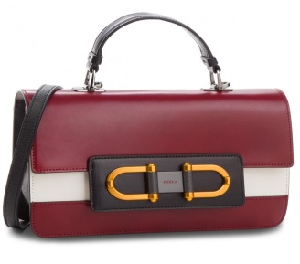 | BQL9I77 |  | BELLARIA S TOP HANDLE 984420 | CILIEGIA d | BBLRBQL9I7700ZCGQ | 1 | € 505.00 | € 505.00
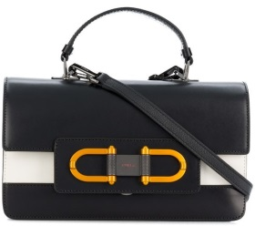 | BQL9I77 |  | BELLARIA S TOP HANDLE 984419 | ONYX | BBLRBQL9I7700ZO60 | 1 | € 505.00 | € 505.00
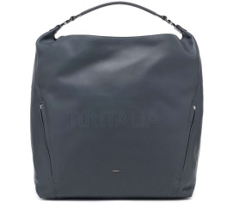 | BQT9VMU |  | FURLA LADY XL HOBO 994635 | ARDESIA e | BMDYBQT9VMU00ZZDG | 4 | € 530.00 | € 2,120.00
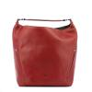 | BQT9VMU |  | FURLA LADY XL HOBO 994637 | CILIEGIA d | BMDYBQT9VMU00ZCGQ | 2 | € 530.00 | € 1,060.00
 | BQT9VMU |  | FURLA LADY XL HOBO 994634 | ONYX | BMDYBQT9VMU00ZO60 | 2 | € 530.00 | € 1,060.00
 | BQZ7I77 |  | BELLARIA MINI CROSSBODY 984412 | ONICE e | BBLRBQZ7I7700ZKJN | 2 | € 375.00 | € 750.00
 | BQZ7I77 |  | BELLARIA MINI CROSSBODY 984410 | ONYX | BBLRBQZ7I7700ZO60 | 1 | € 375.00 | € 375.00
 | BQZ8VMU |  | FURLA LADY M HOBO 994629 | ARDESIA e | BMDYBQZ8VMU00ZZDG | 2 | € 425.00 | € 850.00
 | BQZ8VMU |  | FURLA LADY M HOBO 994631 | CILIEGIA d | BMDYBQZ8VMU00ZCGQ | 5 | € 425.00 | € 2,125.00
 | BQZ8VMU |  | FURLA LADY M HOBO 994630 | ONICE e | BMDYBQZ8VMU00ZKJN | 2 | € 425.00 | € 850.00
 | BTB9VHC |  | RIALTO XL HOBO 977637 | ARDESIA e | BRIABTB9VHC00ZZDG | 2 | € 465.00 | € 930.00
 | BTB9VHC |  | RIALTO XL HOBO 977638 | ONYX | BRIABTB9VHC00ZO60 | 1 | € 465.00 | € 465.00
 | BTC8WNT |  | FURLA FORTUNA M TOP HANDLE 988332 | CILIEGIA d | BFOTBTC8WNT00ZCGQ | 3 | € 645.00 | € 1,935.00
 | BTE1WNT |  | FURLA FORTUNA S BACKPACK 988339 | CILIEGIA d | BFOTBTE1WNT00ZCGQ | 2 | € 530.00 | € 1,060.00
 | BTE1WNT |  | FURLA FORTUNA S BACKPACK 988340 | PERLA e | BFOTBTE1WNT00ZGDJ | 1 | € 530.00 | € 530.00
 | BTE4HSF |  | FURLA ALBA L TOTE 984370 | ONYX | BFABBTE4HSF00ZO60 | 1 | € 435.00 | € 435.00
 | BTI0Q13 |  | FURLA FAVOLA M BACKPACK 998398 | CILIEGIA d | BFVLBTI0Q1300ZCGQ | 1 | € 495.00 | € 495.00
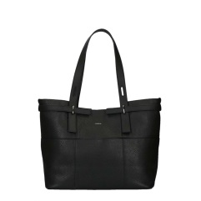 | BTI3HSF |  | FIAMMA M TOTE 984955 | ONYX | BFIABTI3HSF00ZO60 | 2 | € 410.00 | € 820.00
 | BTJ3WNT |  | FURLA FORTUNA S TOP HANDLE 988327 | PERLA e | BFOTBTJ3WNT00ZGDJ | 2 | € 550.00 | € 1,100.00
 | BTJ7ARE |  | METROPOLIS S SHOULDER BAG 972393 | RUBY | BEP0BTJ7ARE00ZRUB | 1 | € 375.00 | € 375.00
 | BTK9L75 |  | FURLA FAVOLA MINI BACKPACK 978468 | BLU d | BFVLBTK9L7500ZB1U | 1 | € 410.00 | € 410.00
 | BTL0Q14 |  | FURLA FAVOLA MINI BACKPACK 998393 | ONYX | BFVLBTL0Q1400ZO60 | 1 | € 410.00 | € 410.00
 | BUD62Q0 |  | METROPOLIS MINI CROSSBODY 985993 | CILIEGIA d | BEP0BUD62Q000ZCGQ | 2 | € 390.00 | € 780.00
 | EQ34ARE |  | METROPOLIS M ENVELOPE 962735 - FURLA | CAMELIA e | EEP0EQ34ARE00ZLC4 | 1 | € 175.00 | € 175.00
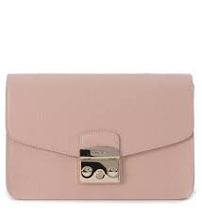 | ER44J75 |  | ALTEA M CROSSBODY POUCH 965849 - FURLA | CAMELIA e | EALTER44J7500ZLC4 | 1 | € 140.00 | € 140.00
 | BGZ7ARE |  | METROPOLIS MINI CROSSBODY 920313 - FURLA | ORCHIDEA d | BEP0BGZ7ARE00ZOR9 | 1 | € 290.00 | € 290.00
 | BKP3FSR |  | MILANO L TOTE | ONYX | BPEGBKP3FSR00ZO60 | 1 | € 495.00 | € 495.00
 | BLC6AVH |  | LIKE M TOP HANDLE 903484 - FURLA | ONYX | BLIKBLC6AVH00ZO60 | 1 | € 435.00 | € 435.00
 | BLL8VFO |  | LUCKY S SATCHEL 903736 - FURLA | ONYX | B910BLL8VFO00ZO60 | 1 | € 435.00 | € 435.00
 | BMM8VHC |  | MIRAGE M TOP HANDLE 942691 - FURLA | ONYX | BMRGBMM8VHC00ZO60 | 1 | € 580.00 | € 580.00
 | BMN1OAS |  | PIN S SATCHEL | SABBIA b | BNIPBMN1OAS00ZSBB | 1 | € 330.00 | € 330.00
 | BMQ2FSR |  | MILANO S TOTE 921362 - FURLA | BLU d | BPEGBMQ2FSR00ZB1U | 1 | € 400.00 | € 400.00
 | BMQ2FSR |  | MILANO S TOTE 921365 - FURLA | ONYX | BPEGBMQ2FSR00ZO60 | 3 | € 400.00 | € 1,200.00
 | BND1VHC |  | RIALTO S CROSSBODY 942304 - FURLA | ONYX | BRIABND1VHC00ZO60 | 4 | € 465.00 | € 1,860.00
 | BND1VHC |  | RIALTO S CROSSBODY 942305 - FURLA | PETALO | BRIABND1VHC00ZPET | 2 | € 465.00 | € 930.00
 | BNF6FSR |  | MILANO S CROSSBODY | MOONSTONE | BPEGBNF6FSR00Z6M0 | 1 | € 345.00 | € 345.00
 | BNF6FSR |  | MILANO S CROSSBODY | ONYX | BPEGBNF6FSR00ZO60 | 1 | € 345.00 | € 345.00
 | BNF6FSR |  | MILANO S CROSSBODY | SABBIA b | BPEGBNF6FSR00ZSBB | 1 | € 345.00 | € 345.00
 | BNI1VHC |  | DUCALE S CROSSBODY 941451 - FURLA | PETALO | BDUCBNI1VHC00ZPET | 1 | € 435.00 | € 435.00
 | BNR2D18 |  | METROPOLIS MURANO S SHOULDER B 942019 - FURLA | PETALO | BMMUBNR2D1800ZPET | 1 | € 410.00 | € 410.00
 | BNY3D62 |  | EDEN M TOTE | ONYX | BEDEBNY3D6200ZO60 | 1 | € 530.00 | € 530.00
 | BNZ5VHC |  | RIALTO L HOBO 942317 - FURLA | SABBIA b | BRIABNZ5VHC00ZSBB | 3 | € 425.00 | € 1,275.00
 | BQG3J91 |  | DUCALE S CROSSBODY 958442 | TONI CELESTE+PE | BDUCBQG3J9100ZCEP | 1 | € 715.00 | € 715.00
 |  |  |  |  |  | 188 |  | € 73,865.00

